SFR
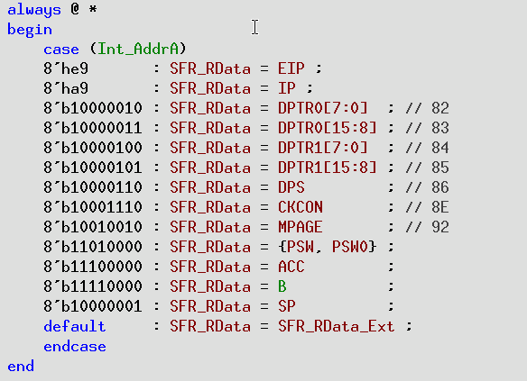
REGISTER | bit7 | bit6 | bit5 | bit4 | bit3 | bit2 | bit1 | bit0 | addr |  | reset
 |  |  |  |  |  |  |  |  |  |  | value
P0 | - | - | - | - | - | - | - | - | 0x80 |  | 0xff
SP | - | - | - | - | - | - | - | - | 0x81
DPL0 | - | - | - | - | - | - | - | - | 0x82
DPH0 | - | - | - | - | - | - | - | - | 0x83
DPL1 | - | - | - | - | - | - | - | - | 0x84
DPH1 | - | - | - | - | - | - | - | - | 0x85
DPS |  |  |  |  |  |  |  | SEL | 0x86
PCON | SMOD | EUSB | LBD_Flag |  | deep_sleep | OSC32k | RC32k | IDLE | 0x87 |  | 0x02
TCON | TF1 | TR1 | TF0 | TR0 | IE1 | IT1 | IE0 | IT0 | 0x88
TMOD | GATE | C/T | M1 | M0 | GATE | C/T | M1 | M0 | 0x89
TL0 | - | - | - | - | - | - | - | - | 0x8A
TL1 | - | - | - | - | - | - | - | - | 0x8B
TH0 | - | - | - | - | - | - | - | - | 0x8C
TH1 | - | - | - | - | - | - | - | - | 0x8D
CKCON | CKDIV1 | CKDIV0 | T2M | T1M | T0M | / | / | / | 0x8E |  | 0
CLK_EN_ |  | timer_en | uart |  |  |  |  | wdt | 0x8F |  | 0
CFG |  |  | _en |  |  |  |  | _en
P1 | - | - | - | - | - | - | - | - | 0x90 |  | 0xFF
EXIF | IE9 | IE8 | IE7 | IE6 | IE5 | IE4 | IE3 | IE2 | 0x91 |  | 0x08
MPAGE | - | - | - | - | - | - | - | - | 0x92
EICON | / | / | EPFI | PFI | / | / | / | / | 0x93 |  | 0
 |  |  |  |  |  |  |  |  | 0x94 |  | 0
 |  |  |  |  |  |  |  |  | 0x95 |  | 0
 |  |  |  |  |  |  |  |  | 0x96 |  | 0
WDT | / | / |  |  |  | PS2 | PS1 | PS0 | 0x97 |  | 0
SCON0 | SM0 | SM1 | SM2 | REN | TB8 | RB8 | TI | RI | 0x98 |  | 0
SBUF0 | - | - | - | - | - | - | - | - | 0x99 |  | 0
P0_PU |  |  |  |  |  |  |  |  | 0x9A |  | 0
P1_PU |  |  |  |  |  |  |  |  | 0x9B |  | 0
P2_PU |  |  |  |  |  |  |  |  | 0x9C |  | 0
 |  |  |  |  |  |  |  |  | 0x9D |  | 0
 |  |  |  |  |  |  |  |  | 0x9E |  | 0
P2 | - | - | - | - | - | - | - | - | 0xA0 |  | 0xFF
 |  |  |  |  |  |  |  |  |  | 0
 |  |  |  |  |  |  |  |  | 0xA2 |  | 0
 |  |  |  |  |  |  |  |  | 0xA3 |  | 0
 |  |  |  |  |  |  |  |  | 0xA4 |  | 0
 |  |  |  |  |  |  |  |  | 0xA5 |  | 0
 |  |  |  |  |  |  |  |  | 0xA6 |  | 0
 |  |  |  |  |  |  |  |  | 0xA7 |  | 0
IE | EA |  | ET2 | ES0 | ET1 | EX1 | ET0 | EX0 | 0xA8 |  | 0
IP |  | PPFI | PT2 | PS0 | PT1 | PX1 | PT0 | PX0 | 0xA9 |  | 0x80
P0_IOSEL | - | - | - | - | - | - | - | - | 0xAA |  | 0
P1_IOSEL | - | - | - | - | - | - | - | - | 0xAB |  | 0
P2_IOSEL | - | - | - | - | - | - | - | - | 0xAC |  | 0
 |  | - | - | - | - | - | - | - | 0xAD |  | 0
 |  |  |  |  |  |  |  |  | 0xAE |  | 0
 | - | - | - | - | - | - | - | - | 0xB0 |  | 0xFF
P0_PD | - | - | - | - | - | - | - | - | 0xB1 |  | 0
P1_PD | - | - | - | - | - | - | - | - | 0xB2 |  | 0
P2_PD | - | - | - | - | - | - | - | - | 0xB3 |  | 0
 | - | - | - | - | - | - | - | - | 0xB4 |  | 0
 | - | - | - | - | - | - | - | - | 0xB5 |  | 0
 |  |  |  |  |  |  |  |  | 0xB6 |  | 0
 |  |  |  |  |  |  |  |  | 0xB7 |  | 0
 |  |  |  |  |  |  |  |  | 0xB8 |  | 0
 |  |  |  |  |  |  |  |  | 0XB9 |  | 0xEC
P0_OPDR | - | - | - | - | - | - | - | - | 0xBA |  | 0xFF
P1_OPDR | - | - | - | - | - | - | - | - | 0xBB |  | 0xFF
P2_OPDR | - | - | - | - | - | - | - | - | 0xBC |  | 0xFF
 |  | - | - | - | - | - | - | - | 0xBD |  | 0xFF
 |  | - | - | - | - | - | - | - | 0xBE |  | 0xFF
 | - | - | - | - | - | - | - | - | 0xC0 |  | 0xFF
 |  |  |  |  |  |  |  |  | 0xC1 |  | 0
 |  |  |  |  |  |  |  |  | 0xC2 |  | 0
 |  |  |  |  |  |  |  |  | 0xC3 |  | 0
P0_WUEN | normal wake up enable |  |  |  |  |  |  |  | 0xC4 |  | 0
P1_WUEN |  |  |  |  |  |  |  |  | 0xC5 |  | 0
P2_WUEN |  |  |  |  |  |  |  |  | 0xC6 |  | 0
 |  |  |  |  |  |  |  |  | 0xC7 |  | 0
T2CON | TF2 | EXF2 | RCLK | TCLK | EXEN2 | TR2 | C/T2 | CP/RL2 | 0xC8 |  | 0
 |  |  |  |  |  |  |  |  | 0xC9 |  | 0
RCAP2L | - | - | - | - | - | - | - | - | 0xCA |  | 0
RCAP2H | - | - | - | - | - | - | - | - | 0xCB |  | 0
TL2 | - | - | - | - | - | - | - | - | 0xCC |  | 0
TH2 | - | - | - | - | - | - | - | - | 0xCD |  | 0
 |  |  |  |  |  |  |  |  | 0xCE |  | 0
 |  |  |  |  |  |  |  |  | 0xCF |  | 0
PSW | CY | AC | F0 | RS1 | RS0 | OV | F1 | P | 0xD0 |  | 0
 |  |  |  |  |  |  |  |  | 0xD1 |  | 0
 |  |  |  |  |  |  |  |  | 0xD2 |  | 0
 |  |  |  |  |  |  |  |  | 0xD3 |  | 0
 |  |  |  |  |  |  |  |  | 0xD4 |  | 0
 |  |  |  |  |  |  |  |  | 0xD5 |  | 0
 |  |  |  |  |  |  |  |  | 0xD6 |  | 0
 |  |  |  |  |  |  |  |  | 0xD7 |  | 0
ANA_REG |  |  |  |  |  |  |  |  | 0xD8
ANA_REG |  |  |  |  |  |  |  |  | 0xD9
ANA_REG |  |  |  |  |  |  |  |  | 0xDa
ANA_REG |  |  |  |  |  |  |  |  | 0xDb
ANA_REG |  |  |  |  |  |  |  |  | 0xDc
ANA_REG |  |  |  |  |  |  |  |  | 0xDd
ANA_REG |  |  |  |  |  |  |  |  | 0xDe
ANA_REG |  |  |  |  |  |  |  |  | 0xDf
ACC | - | - | - | - | - | - | - | - | 0xE0 |  | 0
P0_WUMOD |  |  |  |  |  |  |  |  | 0xE1
P1_WUMOD |  |  |  |  |  |  |  |  | 0xE2
P2_WUMOD |  |  |  |  |  |  |  |  | 0xE3
 |  |  |  |  |  |  |  |  | 0xE4
 |  |  |  |  |  |  |  |  | 0XE5
E_EXP |  |  |  |  |  |  |  |  | 0XE6
PALT | S_S0 | S_T0 | S_T1 | S_T2 | / | / | / | / | 0xE7 |  | 0
EIE | EX9 | EX8 | EX7 | EX6 | EX5 | EX4 | EX3 | EX2 | 0xE8 |  | 0xF0
EIP | PX9 | PX8 | PX7 | PX6 | PX5 | PX4 | PX3 | PX2 | 0xE9 |  | 0xF0
EXINT_ | IT9 | IT8 | IT7 | IT6 | IT5 | IT4 | IT3 | IT2 | 0xEA |  | 0xFF
MOD
RNG_DAT |  |  |  |  |  |  |  |  | 0xEB
RNG_CTL | RNG_PWD |  | RNG_RDY |  |  |  |  |  | 0xEC
 |  |  |  |  |  |  |  |  | 0xED
RENT_WK_en_P3 |  |  |  |  |  |  |  |  | 0xEE
RENT_WK_en_P4 |  |  |  |  |  |  |  |  | 0xEF
B | - | - | - | - | - | - | - | - | 0xF0 |  | 0
work mode |  |  |  |  |  |  | ext_tim_en | sleep_sel | 0xF1 |  | 0x88
VOLTAGE SLEEP | DSP voltage |  |  |  | MAIN_AON voltage |  |  |  | 0xF2 |  | 0x88
VOLTAGE NORMAL | DSP voltage |  |  |  | MAIN_AON voltage |  |  |  | 0xF3 |  | 0
EXT_TIM_L | 7 |  |  |  |  |  |  | 0 | 0xF4 |  | 0
EXT_TIM_M | 15 |  |  |  |  |  |  | 8 | 0xF5 |  | 0
EXT_TIM_H | 23 |  |  |  |  |  |  | 16 | 0xF6 |  | 0
 |  |  |  |  |  |  |  |  | 0xF7
PERI_CTRL |  |  |  |  |  |  | debug_en | MOD detect dis | 0xF8
 |  |  |  |  |  |  |  |  | 0xF9 |  | 0x01
RENT_WK_en_P0 | decrease voltage wake up enable. Also used by deep sleep |  |  |  |  |  |  |  | 0xFA |  | 0
RENT_WK_en_P1 |  |  |  |  |  |  |  |  | 0xFB |  | 0
RENT_WK_en_P2 |  |  |  |  |  |  |  |  | 0xFC
CHIP_info_ctrl | DTSSI |  | RD_CRTL | RF RSTN | 00: first powerup,5: WDT;a:deep sleep |  |  |  | 0xFD
CHIP_ID_H |  |  |  |  |  |  |  |  | 0xFE
CHIP_ID_L |  |  |  |  |  |  |  |  | 0xFF

int
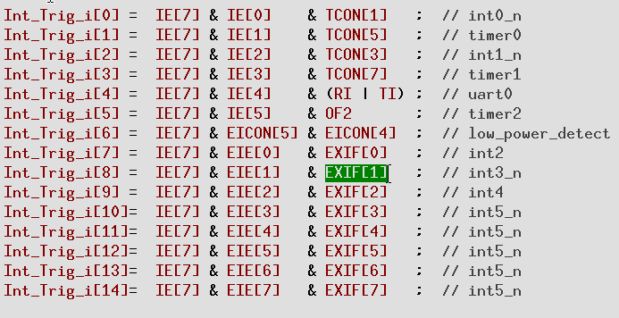

USB=int4

